Instructions
Washington State 2024 Individual and Small Group Dental Snapshot
INSTRUCTIONS
A. Overview
This dental snapshot document is a high-level summary of an issuer’s filings. For each market type [Individual Stand-Alone Dental essential health benefit (EHB), and Small Group Stand-Alone Dental EHB], issuers must submit a snapshot document in the binder filing. For purposes of this snapshot document, the "recommended primary product" means the product with the most complex benefit design in the particular market. The OIC will consider using the issuer's "recommended primary product" for our primary form filing review.
B. Required Documents
A PDF document and Excel version of the completed snapshot document must be submitted on the Supporting Documentation Tab of the binder filing. The file name must include the wording: “[market type] Snapshot.” You must name the Excel file the same as the PDF file except for including the word “Duplicate” and the file extension (e.g. Individual Medical Snapshot Duplicate.xlsx). The PDF and Excel files submitted in SERFF should not include these instructions nor the illustrative example from this document.
C. The Snapshot
The step-by-step instructions that follow will help the filer complete the Snapshot Form and prepare it for submission. Additionally, macros and data validation have been utilized to assist you in completing the snapshot.
i. Getting Started
1. Enable Macros:
a. Click the “Options…” button

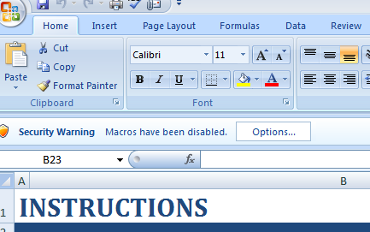

b. First, mark the “Enable this content” button. Then click “OK.”

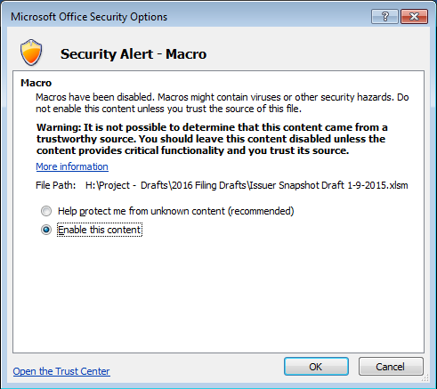

2. Dropdown Lists: If a dropdown arrow appears when a cell is active, then click the arrow and select one of the options from the list; otherwise type the appropriate information.
a. Dropdown List Example:

ii. Completing the Snapshot
1. Issuer Name Field: Type the issuer’s name.
2. Market Type Field
a. Click the cell to the right of the “Market Type” label.
b. From the dropdown list, select “Individual” if these plans are sold to individual policyholders or select “Small Group” if they are sold to small groups.
3. Coverage Type Field
b. “Stand-Alone Dental EHB Plans” is fixed. For medical plans, please use the separate medical snapshot form document.
4. Exchange Marketing Intentions Field
a. Click the cell to the right of the “Exchange Marketing” label.
b. Selection:
i. Select “Inside Only,” if ALL of the plans filed are only marketed inside the Exchange.
ii. Select “Outside Only,” if ALL of the plans filed are only marketed outside the Exchange.
iii. Select “Both Inside and Outside,” if plans filed are marketed inside and outside the Exchange.
5. Corresponding Filings Table
a. State Tracking Number Column: For the initial rate and form filing submission, since you cannot complete this column in the initial submission we will request that you update the snapshot in the first binder objection letter.
b. Binder Row: Type the SERFF Tracking Number and State Tracking Numbers of the binder filing in the corresponding columns. Since you cannot complete the State Tracking Number column in the initial submission we will request that you update the snapshot in the first binder objection letter.
c. Form (Recommended Primary Product) Row: Type the SERFF Tracking Number. Each Issuer must pick a "recommended primary product" among the corresponding form filings. For purposes of this snapshot document, the "recommended primary product" means the product with the most complex benefit design in the particular market coverage. The OIC will consider using the issuer's "recommended primary product" for our primary form filing review.
d. Rate (For-Public) Row: Type the SERFF Tracking Number and State Tracking Numbers of the for-public rate filing in the corresponding columns.
e. Rate (Not-For-Public) Row: If applicable, type the SERFF Tracking Number and State Tracking Numbers of the not-for-public rate filing in the corresponding columns.
6. Number of Products Field: Enter the total number of products offered; this number is usually equal to the number of form filings and the number of rows in the Product Summary Table (list each HIOS Product ID once). After entering a number, a macro will adjust the Product Summary Table to the appropriate size.
7. Product Summary Table
a. HIOS Product ID Column: Type a HIOS Product ID in each row of the table. List each HIOS Product ID only once in the table.
b. Product Name Column: Type the product name of the product listed in the HIOS Product ID column.
c. Summary of Distinguishing Features Column: Summarize the features that distinguish this product from other products listed in the table. In other words, explain why this product is a separate product from the others listed in the table. For example, if the product covers a benefit not covered in other products, list the unique benefit(s), or if the product uses a different network type (PPO, POS, EPO, HMO, etc.) from other products, explain that.
d. Form Filing SERFF Tracking Number Column: Type the SERFF Tracking Number of the form filing for the product listed in the HIOS Product ID column.
e. Form Filing State Tracking Number Column: Type the State Tracking Number of the form filing for the product listed in the HIOS Product ID column. Since you cannot complete the State Tracking Number column in the initial submission we will request that you update the snapshot in the first binder objection letter.
f. Rate Filing SERFF Tracking Number (for-public filing) Column: Type the SERFF Tracking Number of the rate filing for the product listed in the HIOS Product ID column.
g. Rate Filing State Tracking Number Column (for-public filing): Type the State Tracking Number of the rate filing for the product listed in the HIOS Product ID column. Since you cannot complete the State Tracking Number column in the initial submission we will request that you update the snapshot in the first binder objection letter.
h. Rate Filing SERFF Tracking Number Column (not-for-public filing): Type the SERFF Tracking Number of the rate filing for the product listed in the HIOS Product ID column.
i. Rate Filing State Tracking Number Column (not-for-public filing): Type the State Tracking Number of the rate filing for the product listed in the HIOS Product ID column. Since you cannot complete the State Tracking Number column in the initial submission we will request that you update the snapshot in the first binder objection letter.
8. Number of Plans Field: Enter the total number of plans offered; this number is equal to or greater than the number of rows needed to complete the Product Summary Table (list each HIOS Plan ID once). After entering a number, a macro will adjust the Product Summary Table to the appropriate size.
9. Plan Summary Table
a. HIOS Plan ID Column: Type a HIOS Plan ID in each row of the table. List each HIOS Plan ID only once in the table.
b. Plan Name Column: Type the plan name of the plan identified in the HIOS Plan ID column.
c. Exchange Status (Marketing Intention) Column
i. Select “In” from the dropdown list, if the plan will be marketed only inside the Exchange.
ii. Select “Out” from the dropdown list, if the plan will be marketed only outside the Exchange.
iii. Select “Both” from the dropdown list, if the plan will be marketed both inside and outside the Exchange.
d. High or Low Column
i. Select "High" from the dropdown list, if the plan's actuarial value corresponds to a high level plan.
ii. Select "Low" from the dropdown list, if the plan's actuarial value corresponds to a low level plan.
e. Family Dental Column
i. Select "Yes" if the plan includes pediatric dental and family dental benefits.
ii. Select "No" if the plan only includes pediatric dental benefits.
f. Summary of Distinguishing Cost-Share Features Column: Summarize the cost-share features that distinguish this plan from other plans in the same product.

iii. Saving Documents for SERFF
1. Right-click the “Instructions” sheet, then click Hide from the popup list.
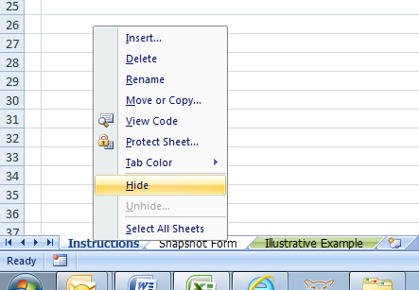

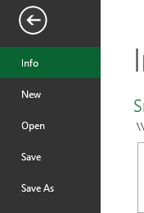
2. Right-click the “Illustrative Example” sheet, then click Hide from the popup list.
3. Select the “Snapshot Form” sheet.
4. Save the PDF file.
a. Click the File tab.
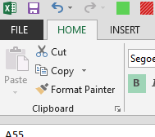

b. Click Save As.
c. Select a file location.

d. Change the “Save as type” to PDF (*.PDF).
e. File Name:
i. For Individual Stand-Alone Dental, name the file “Individual Stand-Alone Dental Snapshot.pdf”.
ii. For Small Group Stand-Alone Dental, name the file “Small Group Stand-Alone Dental Snapshot.pdf”.
f. Click the Save.
5. Save the Excel file.
a. Click the File tab.
b. Click Save As.
c. Select a file location.
d. Change the “Save as type” to Excel Workbook (*.xlsx).
e. File Name:
i. For Individual Stand-Alone Dental, name the file “Individual Stand-Alone Dental Snapshot Duplicate.xlsx”.
ii. For Small Group Stand-Alone Dental, name the file “Small Group Stand-Alone Dental Snapshot Duplicate.xlsx”.
f. Click the Save.
iv. Upload the saved documents to the Supporting Documentation tab in the binder filing on SERFF.

